Start
Welcome to the Python in Excel getting started template. Instructions for screen readers: Content begins in cell C2, and then continues as you move down to C4, and so on. Instructions also indicate which cells to navigate to for use of a feature or further reading. To start, use your arrow keys to move to cell C2.
 | Get started with Python in Excel

 | Easily combine Python and Excel analytics in one workbook with Python in Excel, no setup needed. Just type Python in a cell, and calculations run securely in the Microsoft Cloud. Results, including plots and visualizations, appear in your worksheet.

 | Available now on Excel for Windows. Stay informed by joining the waitlist at aka.ms/expywaitlist.
 | 

Let's go >

=PY
Instructions for screen readers: Content begins in cell B3, and then continues as you move down to B4, B5, and so on. Instructions also indicate which cells to navigate to for use of a feature or further reading. To start, use your arrow keys to move to cell B3.

 | Become familiar with Python (=PY)

CHECK THIS OUT
Select the Insert Python button in the Formulas tab to view tips and samples to help you get started with Python in Excel.
 | 1. To write or edit Python code, use the Python formula by typing =PY( in a cell or go to |  |  | CHECK THIS OUT: Select Insert Python button in the Formulas tab to view Tips and Samples to help you get started with Python in Excel.
 | Formulas > Python and select Insert Python. | Formula | Expected result
 |  | Try here! | The value 2 as a Python Object.
Formulas > Python
 | 
CHECK THIS OUT
To learn more about =PY, visit PY function - Microsoft Support.
 | 2. Python runs securely in the Microsoft Cloud, no installation needed.

Python in Excel cell badge
Formula bar Python in Excel badge
 | 3. Changes in the cell and formula bar indicate Python is enabled. You can edit the formula in either the cell or the formula bar. |  |  | CHECK THIS OUT: To learn more about =PY, visit https://support.microsoft.com/office/py-function-31d1c523-fb13-46ab-96a4-d1a90a9e512f
Go to the next tab to continue on to the next section: editing.
 | 4. Give it a try! In cell F7, enter =PY( to enable Python and then enter "1+1". Unlike regular Excel formulas, you need to use Ctrl+Enter to commit changes.

Next Step
 | Next, learn more about Python output.

Python output
Instructions for screen readers: Content begins in cell B3, and then continues as you move down to B4, B5, and so on. Instructions also indicate which cells to navigate to for use of a feature or further reading. To start, use your arrow keys to move to cell B3.

 | Learn about Python output |  |  |  | GOOD TO KNOW: The default output type is a Python Object. You can use the keyboard shortcut Ctrl+Alt+Shift+M to toggle between output types.

 | 1. By default, Python formulas return results as a Python Object. The second output type is an | Formula | Expected result
 | Excel Value. Use the controls next to the formula bar or in the right-click menu to adjust the output type. | Try here! | The value 2 as a Python Object.

GOOD TO KNOW
You can also use the keyboard shortcut Ctrl+Alt+Shift+M to toggle between output types.
Next to formula bar
Right-click menu
 |  | Try here! | The value 2 as an Excel Value. | CHECK THIS OUT: You can edit the formula in either the cell or the formula bar. While editing, use the keyboard shortcut Ctrl+F2 to toggle between the cell and formula bar.
 | 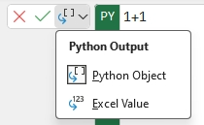
 | Column E is to input the Python formula. Column G is the expected result.
 | 2. Try it out! In cell E6, enter =PY( then "1+1". Select the [PY] icon within the cell to learn more about Python Objects.
 | Column D is to input the Python formula. Column F is the expected result.
 | 3. Do the same in cell E8. This time, change the output to an Excel Value.
Column F explains the expected result from the formula in column D.
Next Step
 | Next, learn about cell references.

Cell references
Instructions for screen readers: Content begins in cell B3, and then continues as you move down to B4, B5, and so on. Instructions also indicate which cells to navigate to for use of a feature or further reading. To start, use your arrow keys to move to cell B3.

 | Reference cells to bring data into Python | Example data |  |  |  | Example: as Python Objects | Example: as Excel Values
 |  | Category | Product | Sales
 | To import data, use an Excel worksheet or a Power Query data source. To protect your security, | Accessories | Helmets | $8,300 |  |  | Category | Product | Sales
 | pandas.read_csv and pandas.read_excel aren’t compatible with Python in Excel. | Accessories | Tires and Tubes | $8,700 |  |  | Accessories | Helmets | 8300
 |  | Bikes | Road Bikes | $3,500 |  |  | Accessories | Tires and Tubes | 8700
 | 1. Look at DataFrames created from the example data in cells D4 to F10. H5 is a Python Objects, and | Bikes | Mountain Bikes | $3,100 |  |  | Bikes | Road Bikes | 3500
 | L5 is Excel Values. Multi-cell references like D4:F10 are pandas DataFrames by default. | Components | Pedals | $800 |  |  | Bikes | Mountain Bikes | 3100
 |  | Components | Wheels | $10,000 |  |  | Components | Pedals | 800
 | 2. In the code, you'll notice an xl() function that is used to interface between Excel and Python. It accepts |  |  |  |  |  | Components | Wheels | 10000
 | Excel objects like ranges, tables, queries and names as the first parameter and an optional parameter
Cells D4 to F10 contain data with 3 columns. One for Category, one for Product, and one for Sales. | for headers as the second. | Try it out! Range |  |  |  | Set to Python Objects | Set to Excel Values
 |  | User ID | Income | Spend
 | 3. You can create new references by selecting data on the grid or using the keyboard. Use F2 to toggle | 1 | 233 | 150 |  | Try here! | Try here!
 | between Enter and Edit mode and arrow keys to select cells. | 2 | 250 | 187
 |  | 3 | 204 | 172
 | 4. Try it out! In cells H15 and L15, create new DataFrames using Range data. In cells H28 and L28 | 4 | 236 | 178
 | try it out with the data in the Excel table. For Excel tables, use full references like =PY(xl("Table1[#All]")). | 5 | 354 | 163
Next Step
 |  | 6 | 192 | 148
 | Next, learn about external data. | 7 | 294 | 153
 |  | 8 | 263 | 173
 |  | 9 | 199 | 162
 |  | 10 | 168 | 174

 |  | Try it out! Excel table |  |  |  | Set to Python Objects | Set to Excel Values
Cells D14 to F24 contain data with 3 columns as a range. One for User ID, one for Income, and one for Spend. Cells D28 to F38 contain the same data as a table. |  | User ID | Income | Spend
Go to cell G41 to learn about using your keyboard to select data in a table or go the next tab to continue on to the next section: external data. |  | 1 | 233 | 150 |  | Try here! | Try here!
 |  | 2 | 250 | 187
 |  | 3 | 204 | 172
 |  | 4 | 236 | 178
GOOD TO KNOW
To select the entire table using your keyboard, use Ctrl+Shift > Right arrow > Down arrow.
 |  | 5 | 354 | 163
 |  | 6 | 192 | 148
 |  | 7 | 294 | 153
 |  | 8 | 263 | 173
 |  | 9 | 199 | 162
 |  | 10 | 168 | 174

 |  |  |  |  | GOOD TO KNOW: To select the entire table using your keyboard, use Ctrl+Shift > Right arrow > Down arrow.

External data
Instructions for screen readers: Content begins in cell B3, and then continues as you move down to B4, B5, and so on. Instructions also indicate which cells to navigate to for use of a feature or further reading. To start, use your arrow keys to move to cell B3.

 | Use Power Query to import external data

 | To import data from external sources, use Data > Get Data which uses Power Query. Every import creates a new | Formula | Expected result
 | query. For more details, visit aka.ms/pqxl. | Try here! | DataFrame

 | Note: If you have existing workbooks with Power Query queries, start with step 6.

 | 1. Let's import test data from the Northwind OData service. Copy the link to use in step 2:
 | https://services.odata.org/northwind/northwind.svc/

 | 2. Go to Data > Get Data > From Other Sources > From OData Feed, paste the link and select OK.

 | 3. In the Navigator dialog, select the Categories table then Load To… under the Load menu. In the Import Data
 | Dialog, choose Only Create Connection and then OK.
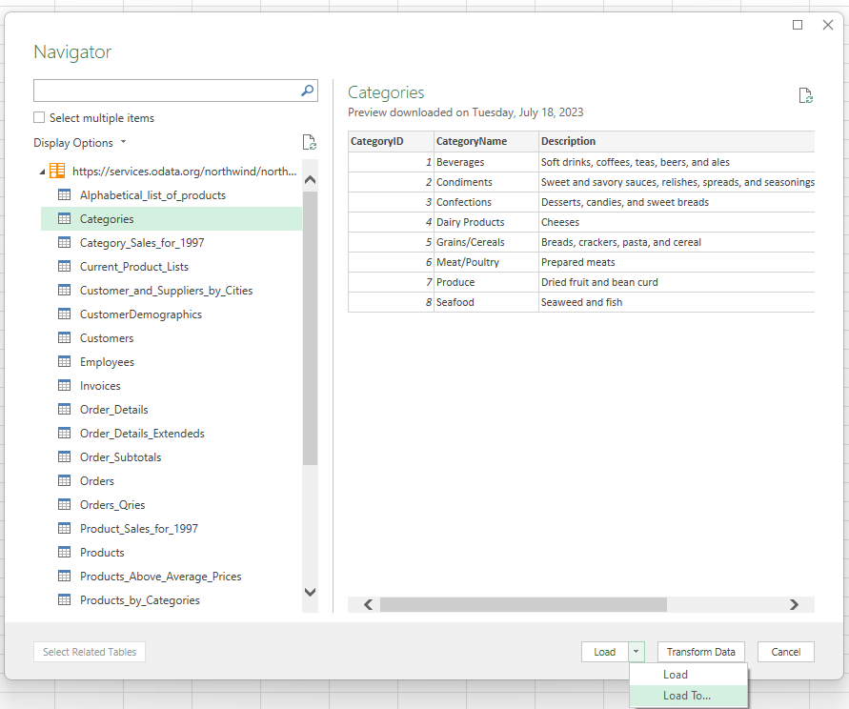
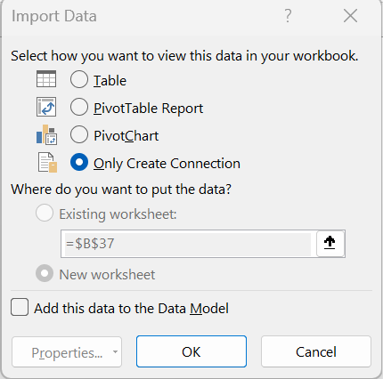

Import Data dialog

Power Query Navigator

 | 4. The Queries & Connections pane will list the connection to the Categories table. You can open this pane
 | anytime by going to Data > Queries & Connections.

Next Step
 | 5. Now let's create our DataFrame with external data in cell F6 by referencing the name
 | of the Power Query connection within the xl() function. For this example, we’d enter: =PY(xl("Categories").
Go to the next tab to continue on to the next section: Calculation order.
 | Next, learn about calculation order.

Calculation order
Instructions for screen readers: Content begins in cell B3, and then continues as you move down to B4, B5, and so on. Instructions also indicate which cells to navigate to for use of a feature or further reading. To start, use your arrow keys to move to cell B3.

 | Understand Python calculation order
Cells D6 to E10 contain data with 2 columns. One for Widget, and one for Sales.
 | 1. Python cells return the last assignment or expression. If None is returned, you'll see a | Example data |  | Example | Expected value
 | NoneType Python Object. Try both statements in cell H6 to see how it works: | Widget | Sales | Try here! | NoneType Python Object returned since that is the last expression.
 | 1+1 | Foo | 5
 | print("Hello world!") | Bar | 6 | Try here! | #PYTHON! error because DataFrame is defined below in H10.
 |  | Baz | 7
GOOD TO KNOW
For languages that read right-to-left, Python cells and worksheets calculate across a row from right-to-left.
 | 2. Python in Excel cells calculate in row-major order, left-to-right across rows, then down the | Boo | 8 |  | DataFrame
 | worksheet. For example, in cell H10 there's a DataFrame named df with Widget sales data.
 | Running "df['Sales'].sum()" in H8 results in a #PYTHON! error because df isn't defined yet. |  |  | Try here! | Correct sum (26) because DataFrame is referenced in cell H10 above.
 | However, it works in H12 because H8 precedes H12 in the calculation order.

 | 3. This calculation order also applies across worksheets, based on their left-to-right order. Global variables can be used across worksheets, calculating based on the worksheet order.

 | 4. You can view error messages in a dialog by selecting the icon that appears selecting the cell with
 | an error, then choosing "Show Error Message".

Next Step
Go to cell J17 to learn about calculation order for right-to-left languages or continue on to the next section: python errors. | Next, learn about Python errors.

Python errors
Instructions for screen readers: Content begins in cell B3, and then continues as you move down to B4, B5, and so on. Instructions also indicate which cells to navigate to for use of a feature or further reading. To start, use your arrow keys to move to cell B3.

 | Understand a few errors

 | 1. #BUSY!: Displays when a Python formula is calculating. | Formula | Expected result
 |  | Try here! | #PYTHON!
 | 2. #PYTHON!: Indicates an issue with the Python code. By default, the Python Editor
 | pane automatically opens with more details on the error. To see how this works, in cell
 | D6 enable Python and enter "1/0". You'll see a #PYTHON! error returned and the pane opened.

GOOD TO KNOW
With the Python in Excel add-on, you can change your calculation mode through Formulas > Calculation > Calculation Options.
Automatic automatically recalculates all dependent formulas every time you make a change in Excel. This is the default setting.
Manual recalculates formulas when you manually trigger the process to do so.
Partial is a hybrid between manual and automatic. This mode recalculates all formulas automatically except those that are typically time consuming, like Python and Data Tables.
 | 3. #CONNECT!: Indicates issues with the Python cloud service. If you see this error, reset your Python global variables in your workbook via Formulas > Python > Reset, or reset the Python runtime via Formulas > Python > Reset > Reset Runtime. Both will trigger recalculation unless you are in Manual recalculation mode.
Cell F6 explains the expected result from the formula in cell D6.
 | 4. You can also view error messages in a dialog by selecting the icon that appears selecting the cell with an error, then choosing "Show Error Message". |  |  | GOOD TO KNOW: You can change your calculation mode through Formulas > Calculation > Calculation Options. Automatic automatically recalculates all dependent formulas every time you make a change in Excel. This is the default setting. Manual recalculates formulas when you manually trigger the process to do so. Partial is a hybrid between manual and automatic. This mode recalculates all formulas automatically except those that are typically time consuming, like Python and Data Tables.
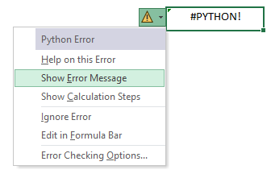

Go to cell H14 to learn about changing your calculation mode or continue on to the next section: libraries.

Error menu

Next Step
 | Next, learn more about libraries.

Libraries
Instructions for screen readers: Content begins in cell B3, and then continues as you move down to B4, B5, and so on. Instructions also indicate which cells to navigate to for use of a feature or further reading. To start, use your arrow keys to move to cell B3.

 | Use Python libraries
 |  | Formula
 | 1. Python in Excel uses a secure, open-source library distribution from Anaconda. The following | Try here!
 | recommended libraries are: pandas, NumPy, scipy, scikit-learn, statsmodels, matplotlib,
GOOD TO KNOW
By default, single cell references are converted to their scalar value while multi-cell references are converted to DataFrames.
 | seaborn, json, and regex. Note: NumPy and pandas are pre-initialized by default
 | using import numpy as np and import pandas as pd.
Go to cell I9 to learn about how single and multi-cell references are converted by default. |  |  |  | GOOD TO KNOW: By default, single cell references are converted to their scalar value while multi-cell references are converted to DataFrames.
 | 2. Settings and configuration details, like importing open-source Python libraries,
 | are managed through the Initialization pane. View the default configuration by selecting
 | Formulas > Python > Initialization.

CHECK THIS OUT
To learn more about open-source libraries to use with Python in Excel, visit Open-source libraries and Python in Excel - Microsoft Support.
 | 3. The initialization pane is read-only, so you must import new libraries in a cell. To try it out, enter =PY( in cell F5 and add an import statement (such as import seaborn as sns). Return a string in your code like "Python libraries loaded". If you don't return anything, the formula returns a Python Object of NoneType.

 |  |  | CHECK THIS OUT: To learn more about open-source libraries to use with Python in Excel, visit https://support.microsoft.com/office/open-source-libraries-and-python-in-excel-c817c897-41db-40a1-b9f3-d5ffe6d1bf3e
Library import statements in the formula bar

Next Step
 | Next, learn about plots.

Plots
Instructions for screen readers: Content begins in cell B3, and then continues as you move down to B4, B5, and so on. Instructions also indicate which cells to navigate to for use of a feature or further reading. To start, use your arrow keys to move to cell B3.

 | Create Python plots
 |  | Example data |  | Libraries | Libraries Loaded!
 | 1. You can use Python libraries to create data visualizations and plots. Try modifying the plot | Dates | Passengers | DataFrame
 | type in cell H8 by choosing from the dropdown options in cell H7. As you switch the plot type, | 1949-01-01 | 112
 | the code recalculates and the floating image updates automatically. | 1949-02-01 | 118 | Type of Plot | line
 |  | 1949-03-01 | 132 | Plot 1
 | 2. By default, you see a Python Object with an Image data type is returned to the cell. To view the | 1949-04-01 | 129
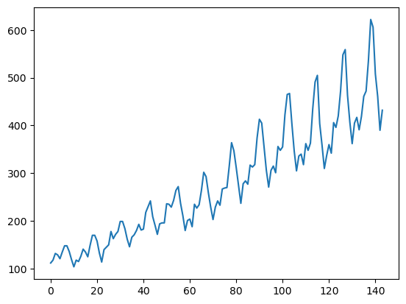
 | plot, create a linked reference of the image that can be resized. In the Insert Data or right-click | 1949-05-01 | 121
 | menu, select Display Plot over Cells. Alternatively, use the keyboard shortcut Ctrl+Alt+Shift+C | 1949-06-01 | 135
 | when selecting a cell. This has been done already for Plot 1 in cell H6, but give it a try when you | 1949-07-01 | 148
 | create the multiplot and histogram in the next step. | 1949-08-01 | 148

 |  | 1949-09-01 | 136
 |  | 1949-10-01 | 119
 |  | 1949-11-01 | 104
 |  | 1949-12-01 | 118
Insert Data menu
Right-click menu
 |  | 1950-01-01 | 115
 |  | 1950-02-01 | 126
 |  | 1950-03-01 | 141
 | 3. Try it out! Use the Python code below to create different plots. To view the plots, don't | 1950-04-01 | 135
 | forget to display the plot over cells as explained in step 2. | 1950-05-01 | 125
 | Try a Multiplot in cell H24: | 1950-06-01 | 149
 | decompose = seasonal_decompose(dfplots['Passengers'],model='additive', period=36) | 1950-07-01 | 170 | Multiplot | Try here!
 | decompose.plot() | 1950-08-01 | 170
 | Try a Histogram in cell H41: | 1950-09-01 | 158
 | plt.figure(figsize=(10,6)) | 1950-10-01 | 133
 | plt.hist(dfplots['Passengers'], bins=20) | 1950-11-01 | 114
 | plt.xlabel('Passengers (in thousands)') | 1950-12-01 | 140
 | plt.ylabel('Frequency') | 1951-01-01 | 145
 | plt.title('Histogram of Passengers') | 1951-02-01 | 150
 | plt.show() | 1951-03-01 | 178
 |  | 1951-04-01 | 163
Next Step
Go to the next tab to continue on to the next section: Python editor. | Next, learn about the Python editor. | 1951-05-01 | 172
 |  | 1951-06-01 | 178
 |  | 1951-07-01 | 199
 |  | 1951-08-01 | 199
 |  | 1951-09-01 | 184
 |  | 1951-10-01 | 162
 |  | 1951-11-01 | 146
 |  | 1951-12-01 | 166 | Histogram | Try here!
 |  | 1952-01-01 | 171
 |  | 1952-02-01 | 180
 |  | 1952-03-01 | 193
 |  | 1952-04-01 | 181
 |  | 1952-05-01 | 183
 |  | 1952-06-01 | 218
 |  | 1952-07-01 | 230
 |  | 1952-08-01 | 242
 |  | 1952-09-01 | 209
 |  | 1952-10-01 | 191
 |  | 1952-11-01 | 172
 |  | 1952-12-01 | 194
 |  | 1953-01-01 | 196
 |  | 1953-02-01 | 196
 |  | 1953-03-01 | 236
 |  | 1953-04-01 | 235
 |  | 1953-05-01 | 229
 |  | 1953-06-01 | 243
 |  | 1953-07-01 | 264
 |  | 1953-08-01 | 272
 |  | 1953-09-01 | 237
 |  | 1953-10-01 | 211
 |  | 1953-11-01 | 180
 |  | 1953-12-01 | 201
 |  | 1954-01-01 | 204
 |  | 1954-02-01 | 188
 |  | 1954-03-01 | 235
 |  | 1954-04-01 | 227
 |  | 1954-05-01 | 234
 |  | 1954-06-01 | 264
 |  | 1954-07-01 | 302
 |  | 1954-08-01 | 293
 |  | 1954-09-01 | 259
 |  | 1954-10-01 | 229
 |  | 1954-11-01 | 203
 |  | 1954-12-01 | 229
 |  | 1955-01-01 | 242
 |  | 1955-02-01 | 233
 |  | 1955-03-01 | 267
 |  | 1955-04-01 | 269
 |  | 1955-05-01 | 270
 |  | 1955-06-01 | 315
 |  | 1955-07-01 | 364
 |  | 1955-08-01 | 347
 |  | 1955-09-01 | 312
 |  | 1955-10-01 | 274
 |  | 1955-11-01 | 237
 |  | 1955-12-01 | 278
 |  | 1956-01-01 | 284
 |  | 1956-02-01 | 277
 |  | 1956-03-01 | 317
 |  | 1956-04-01 | 313
 |  | 1956-05-01 | 318
 |  | 1956-06-01 | 374
 |  | 1956-07-01 | 413
 |  | 1956-08-01 | 405
 |  | 1956-09-01 | 355
 |  | 1956-10-01 | 306
 |  | 1956-11-01 | 271
 |  | 1956-12-01 | 306
 |  | 1957-01-01 | 315
 |  | 1957-02-01 | 301
 |  | 1957-03-01 | 356
 |  | 1957-04-01 | 348
 |  | 1957-05-01 | 355
 |  | 1957-06-01 | 422
 |  | 1957-07-01 | 465
 |  | 1957-08-01 | 467
 |  | 1957-09-01 | 404
 |  | 1957-10-01 | 347
 |  | 1957-11-01 | 305
 |  | 1957-12-01 | 336
 |  | 1958-01-01 | 340
 |  | 1958-02-01 | 318
 |  | 1958-03-01 | 362
 |  | 1958-04-01 | 348
 |  | 1958-05-01 | 363
 |  | 1958-06-01 | 435
 |  | 1958-07-01 | 491
 |  | 1958-08-01 | 505
 |  | 1958-09-01 | 404
 |  | 1958-10-01 | 359
 |  | 1958-11-01 | 310
 |  | 1958-12-01 | 337
 |  | 1959-01-01 | 360
 |  | 1959-02-01 | 342
 |  | 1959-03-01 | 406
 |  | 1959-04-01 | 396
 |  | 1959-05-01 | 420
 |  | 1959-06-01 | 472
 |  | 1959-07-01 | 548
 |  | 1959-08-01 | 559
 |  | 1959-09-01 | 463
 |  | 1959-10-01 | 407
 |  | 1959-11-01 | 362
 |  | 1959-12-01 | 405
 |  | 1960-01-01 | 417
 |  | 1960-02-01 | 391
 |  | 1960-03-01 | 419
 |  | 1960-04-01 | 461
 |  | 1960-05-01 | 472
 |  | 1960-06-01 | 535
 |  | 1960-07-01 | 622
 |  | 1960-08-01 | 606
 |  | 1960-09-01 | 508
 |  | 1960-10-01 | 461
 |  | 1960-11-01 | 390
 |  | 1960-12-01 | 432

Python editor
Instructions for screen readers: Content begins in cell B3, and then continues as you move down to B4, B5, and so on. Instructions also indicate which cells to navigate to for use of a feature or further reading. To start, use your arrow keys to move to cell B3.

 | Use the Python editor to write or view code

 | The Python editor allows you to write and edit Python formulas using a dedicated code editor with
 | similar capabilities as those available in Python notebook environments. It is designed to complement
 | the Python in Excel experience with an editing surface optimized for more complex and longer Python
 | code snippets.

 | 1. Go to Formulas > Python > Editor to open the Python Editor.

 | 2. Along with writing and editing Python code, the Python Editor is where your standard error (stderr)
 | and standard output (stdout) like print statements will be returned. If you don't want the pane to show
 | automatically in these cases, click on the menu on the top right then uncheck "Show automatically for this workbook".

 | 3. Give it a try! You can edit any existing formulas or create new Python formulas in the editor.
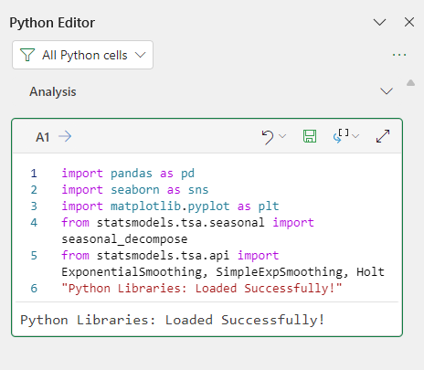
GOOD TO KNOW
You can also use the keyboard shortcut Ctrl+Alt+Shift+F2 to open the editor.

Python editor editing surface
Next Step
 | Next, learn about useful shortcuts.

Useful shortcuts
Instructions for screen readers: Content begins in cell B3, and then continues as you move down to B4, B5 and so on. Instructions will also indicate which cells to navigate to for use of a feature, or further reading. To start, use your arrow keys to move to cell B3.

 | Useful keyboard shortcuts
Column B contains the shortcuts to use with Python in Excel and column C explains their actions.
 | Shortcut | Action
 | =PY | Enables Python formulas in an Excel cell.
 | Ctrl+Alt+Shift+C | Changes a Python plot from an image object to linked floating plot.
 | Ctrl+Alt+Shift+F9 | Resets the Python runtime. May help resolve #BUSY! or #CONNECT! errors.
 | Ctrl+Alt+Shift+M | Toggles Python formula results between Python Objects and Excel Values.
 | Ctrl+Alt+Shift+P | Like =PY, enables Python formulas in the current cell.
 | Ctrl+Enter | Commits Python formulas in a Python cell.
 | Ctrl+F2 | Toggles between edit mode in the cell and the formula bar.
 | Ctrl+Shift+F5 | When a cell contains a card icon, additional data is available inside card. Ctrl+Shift+F5 opens the card to display the additional data.
 | Ctrl+Shift+U | Expands or collapses the Excel formula bar to view more or fewer lines of code.
 | F2 | Toggles between Enter mode and Edit mode in a Python cell. Edit mode allows you to edit the Python formula, and Enter mode allows you to select additional cells or ranges with your keyboard.
 | F9 | When a workbook is in Manual or Partial calculation mode, F9 recalculates the workbook.

Next Step
 | Next, check out other Python in Excel resources.

